TestSummary
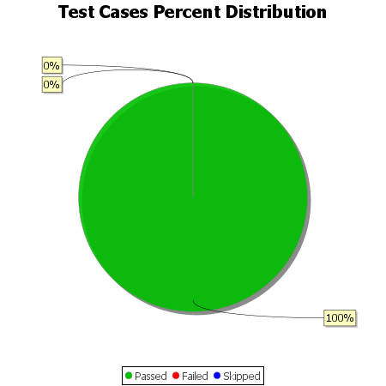
Total Test Cases | 34
Test Cases Passed | 34
Test Cases Failed | 0
Test Cases Skipped | 0

